Start Here
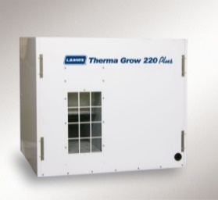

Welcome to the Heat Calculation Program!

This program is intended to assist you in determining the Btu requirements (and thus number of our heaters) needed for a specific greenhouse operation. To begin…

1. Determine style of house (Quonset, Gable, or Arch), and click on appropriate tab based on type of house.

Within the selected tab…

2. Fill in specific dimensions under 'House Data' (width, height, etc.).

3. Under 'Design Data', determine and select from the drop down list the average Wind Velocity (based on specific area of country).

4. Determine and select from the drop down the Temperature Differential, based on average outside low temperatures and desired interior greenhouse temperature. For example, if the average outside temperature is 15oF and the interior greenhouse temperature is set at 65oF, the temperature differential will be 50. The Temp Map and Heat Zone Map tabs show average temps for a normal winter

5. Select from the drop down either new or old construction for the Combustion/Infiltration field.

6. Choose appropriate building materials from the drop downs for each section of greenhouse under House Materials based on materials used in roof and walls of structure.

7. Choose appropriate construction type from the drop downs for each section of greenhouse under Basic Construction Style, based on materials used.

8. The spreadsheet will automatically calculate area, heat loss and the recommended quantity of Therma Grow® 120, 220, or Bloom® 400 unit heaters required.

The Form Data tab has all the raw data used within the sheets. Refer to this tab to review if needed.

If you need help, have questions, or find data is missing from this program, please contact our Technical Support Department at 608-779-6101.

Temp Map
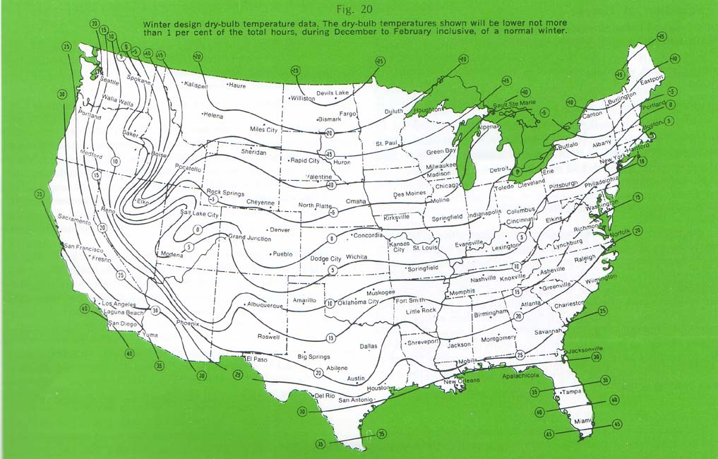
Temperature Map for United States

Heat Zone Map
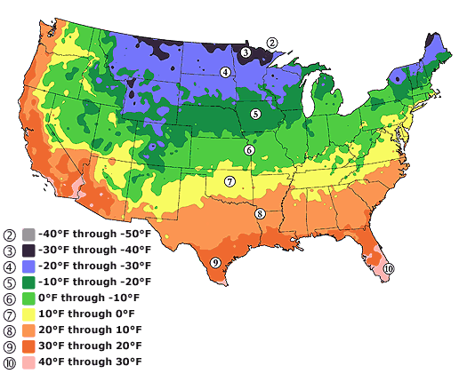
Heat Zone Map for United States

Quonset House
 |  | Quonset Type House - Heating Needs & CO2 generation

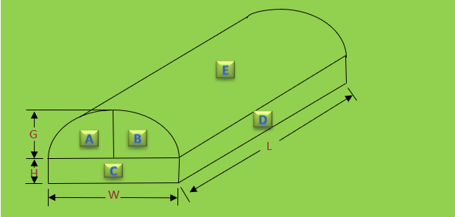
Your Data
Customer: | Name

E
House Data:

D
Width, W |  | 0.00
Length, L |  | 0.00
Sidewall Height, H |  | 0.00
G
B
A
Center Height, G |  | 0.00
L
Number of Bays |  | 1
H
Fuel Source |  | Natural Gas
C
W
Design Data:

Wind Factor (MPH) |  | 15
Temperature Differential (Deg.) |  | 5
Combustion / Infiltration Factor |  | New Construction
 |  |  | AREA CALCULATIONS
House Materials |  |  | Area AB | -
Area AB |  | Single film plastic | Area C | -
Area C |  | Single film plastic | Area D | -
Area D |  | Single film plastic | Area E | -
Area E |  | Single film plastic | Volume | -
 |  |  |  |  |  | Qty. Req | Mins of runtime to add 1000 PPM Co2 (per ACH)*
Basic Construction Style |  |  | HEAT LOSS CALCULATIONS
Area AB |  | Film plastic on metal frame | Area AB | -
Area C |  | Film plastic on metal frame | Area C | - | Qty. Therma Grow 220 req. | - | -
Area D |  | Film plastic on metal frame | Area D | - | Qty. Therma Grow 120 req. | - | -
Area E |  | Film plastic on metal frame | Area E | - | Qty. Bloom 400 req. | - | -
 |  |  | Total Air | - |  | * ACH = Air changes Per Hour
 |  |  | Total | -

Gable House
 |  | Gable Type Houses - Heating Needs & CO2 Generation

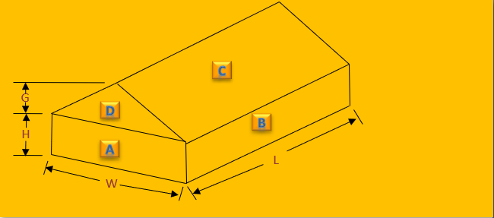
Your Data
Customer: | Name

C
House Data:

G
D
H
B
Width, W |  | 0.00
Length, L |  | 0.00
Sidewall Height, H |  | 0.00
Gable Height, G |  | 0.00
A
L
Number of Bays |  | 1
Fuel Source |  | Natural Gas
W
Design Data:

Wind Factor (MPH) |  | 15
Temperature Differential (Deg.) |  | 5
Combustion / Infiltration Factor |  | New Construction
 |  |  | AREA CALCULATIONS
House Materials |  |  | Area A | -
Area A |  | Single film plastic | Area B | -
Area B |  | Single film plastic | Area C | -
Area C |  | Single film plastic | Area D | -
Area D |  | Single film plastic | Volume | -
 |  |  |  |  |  | QTY. Req | Mins of runtime to add 1000 PPM Co2 (per ACH)*
Basic Construction Style |  |  | HEAT LOSS CALCULATIONS
Area A |  | Film plastic on metal frame | Area A | -
Area B |  | Film plastic on metal frame | Area B | - | Therma Grow 220 | - | -
Area C |  | Film plastic on metal frame | Area C | - | Therma Grow 120 | - | -
Area D |  | Film plastic on metal frame | Area D | - | Bloom 400 | - | -
 |  |  | Total Air | - |  | * ACH = Air changes per hour
 |  |  | Total | -

Arch house
 |  | Arch Type Houses - Heating Needs & CO2 Generation
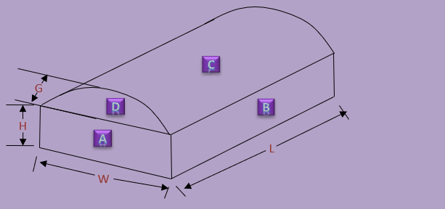

Your Data
Customer: | Name
C
House Data:
G
D
B
H
Width, W |  | 0.00
Length, L |  | 0.00
Sidewall Height, H |  | 0.00
A
L
Arch Height, G |  | 0.00
Number of Bays |  | 1
W
Fuel Source |  | Natural Gas

Design Data:

Wind Factor (MPH) |  | 15
Temperature Differential (Deg.) |  | 40
Combustion / Infiltration Factor |  | New Construction
 |  |  | AREA CALCULATIONS
House Materials |  |  | Area A | -
Area A |  | Single film plastic | Area B | -
Area B |  | Single film plastic | Area C | -
Area C |  | Single film plastic | Area D | -
Area D |  | Single film plastic | Volume | - |  | Qty. Req. | Mins of runtime per heater to add 1000 PPM Co2 (per ACH)*

Basic Construction Style |  |  | HEAT LOSS CALCULATIONS
Area A |  | Film plastic on metal frame | Area A | -
Area B |  | Film plastic on metal frame | Area B | - | Qty. Therma Grow 220 req. | - | -
Area C |  | Film plastic on metal frame | Area C | - | Qty. Therma Grow 120 req. | - | -
Area D |  | Film plastic on metal frame | Area D | - | Qty. Bloom 400 req. | - | -
 |  |  | Total Air | - |  | * ACH = Air changes per hour
 |  |  | Total | -

